Configuration 1
210 BCPM Outgoing Register List -Unsigned Dec |  |  |  |  |  |  |  | OUTPUT ENERGY METER READINGS_REG VALUE |  |  |  |  |  |  |  | ALARM
MCB | CURRENT (A) | PF | KW | LOAD RATIO % | BRANCH ALARM | KWH(Float) |  | Frequency | Voltage | Current | Load (FLOAT) | PF | Energy(float) | Power | Meter_Alm
1 | 40201 | 41101 | 40801 | 40501 | 41701 | 42002 |  | 40001 -Hz | 40002 -AVG L-N | 40020-Ir | 40031 -R % | 40042 -R | 40050 -KWH | 40060 -kW R | MW80:0 | Over Ir
2 | 40202 | 41102 | 40802 | 40502 | 41702 | 42004 | Branch Alarm Status |  | 40004 -AVG L-L | 40022 -Iy | 40033 -Y % | 40044 -Y |  | 40062 -kW Y | MW80:1 | Over Iy
3 | 40203 | 41103 | 40803 | 40503 | 41703 | 42006 | Bit 0: High High Latching Alarm |  | 40006 -V RN | 40024 - Ib | 40035 -B % | 40046 -B |  | 40064 -KW B | MW80:2 | Over Ib
4 | 40204 | 41104 | 40804 | 40504 | 41704 | 42008 | Bit 1: High Latching Alarm |  | 40008 - V YN | 40026 -I Avg |  | 40048 -AVG |  | 40066 - KW Total
5 | 40205 | 41105 | 40805 | 40505 | 41705 | 42010 | Bit 2: Low Latching Alarm |  | 40010 - V BN |  |  |  |  | 40077 -kVA TOTAL | MW80:4 | Over Vrn
6 | 40206 | 41106 | 40806 | 40506 | 41706 | 42012 | Bit 3 : Low Low Latching Alarm |  | 40012 - V RY |  |  |  |  | 40071 -kVA Y | MW80:5 | Over Vyn
7 | 40207 | 41107 | 40807 | 40507 | 41707 | 42014 |  |  | 40014 -V YB |  |  |  |  | 40073 -kVA B | MW80:6 | Over Vbn
8 | 40208 | 41108 | 40808 | 40508 | 41708 | 42016 | IP ADDRESS |  | 40016 -V BR |  |  |  |  | 40075 -kVA R | MW80:7 | Over Vry
9 | 40209 | 41109 | 40809 | 40509 | 41709 | 42018 | 192.168.100.99 |  |  |  |  |  |  |  | MW80:8 | Over Vyb
10 | 40210 | 41110 | 40810 | 40510 | 41710 | 42020 |  |  |  |  |  |  |  |  | MW80:9 | Over Vbr
11 | 40211 | 41111 | 40811 | 40511 | 41711 | 42022 |  |  |  |  |  |  |  |  | MW80:10 | Over kVA -R
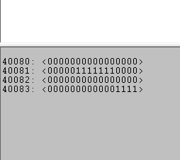
12 | 40212 | 41112 | 40812 | 40512 | 41712 | 42024 |  |  |  |  |  |  |  |  | MW80:11 | Over kVA -Y
13 | 40213 | 41113 | 40813 | 40513 | 41713 | 42026 |  |  |  |  |  |  |  |  | MW80:12 | over kVA -B
14 | 40214 | 41114 | 40814 | 40514 | 41714 | 42028 |  |  |  |  |  |  |  |  | MW80:13 | Over kVA Total
15 | 40215 | 41115 | 40815 | 40515 | 41715 | 42030 |  |  |  |  |  |  |  |  | MW80:14 | Under Vrn
16 | 40216 | 41116 | 40816 | 40516 | 41716 | 42032 |  |  |  |  |  |  |  |  | MW80:15 | Under Vyn
17 | 40217 | 41117 | 40817 | 40517 | 41717 | 42034 |  |  |  |  |  |  |  |  | MW81:0 | Under VBn
18 | 40218 | 41118 | 40818 | 40518 | 41718 | 42036 |  |  |  |  |  |  |  |  | MW81:1 | Under Vry
19 | 40219 | 41119 | 40819 | 40519 | 41719 | 42038 |  |  |  |  |  |  |  |  | MW81:2 | Under Vyb
20 | 40220 | 41120 | 40820 | 40520 | 41720 | 42040 |  |  |  |  |  |  |  |  | MW81:3 | Under Vbr
21 | 40221 | 41121 | 40821 | 40521 | 41721 | 42042
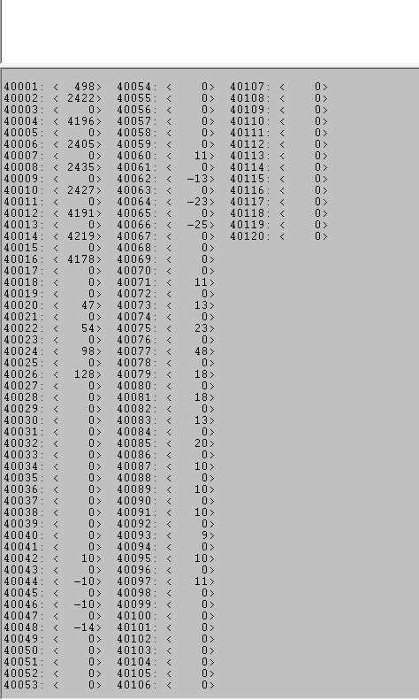
22 | 40222 | 41122 | 40822 | 40522 | 41722 | 42044
23 | 40223 | 41123 | 40823 | 40523 | 41723 | 42046
24 | 40224 | 41124 | 40824 | 40524 | 41724 | 42048
25 | 40225 | 41125 | 40825 | 40525 | 41725 | 42050
26 | 40226 | 41126 | 40826 | 40526 | 41726 | 42052
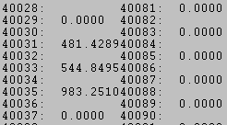
27 | 40227 | 41127 | 40827 | 40527 | 41727 | 42054
28 | 40228 | 41128 | 40828 | 40528 | 41728 | 42056
29 | 40229 | 41129 | 40829 | 40529 | 41729 | 42058
30 | 40230 | 41130 | 40830 | 40530 | 41730 | 42060
31 | 40231 | 41131 | 40831 | 40531 | 41731 | 42062
32 | 40232 | 41132 | 40832 | 40532 | 41732 | 42064
33 | 40233 | 41133 | 40833 | 40533 | 41733 | 42066
34 | 40234 | 41134 | 40834 | 40534 | 41734 | 42068
35 | 40235 | 41135 | 40835 | 40535 | 41735 | 42070
36 | 40236 | 41136 | 40836 | 40536 | 41736 | 42072
37 | 40237 | 41137 | 40837 | 40537 | 41737 | 42074
38 | 40238 | 41138 | 40838 | 40538 | 41738 | 42076
39 | 40239 | 41139 | 40839 | 40539 | 41739 | 42078
40 | 40240 | 41140 | 40840 | 40540 | 41740 | 42080
41 | 40241 | 41141 | 40841 | 40541 | 41741 | 42082
42 | 40242 | 41142 | 40842 | 40542 | 41742 | 42084
43 | 40243 | 41143 | 40843 | 40543 | 41743 | 42086
44 | 40244 | 41144 | 40844 | 40544 | 41744 | 42088
45 | 40245 | 41145 | 40845 | 40545 | 41745 | 42090
46 | 40246 | 41146 | 40846 | 40546 | 41746 | 42092
47 | 40247 | 41147 | 40847 | 40547 | 41747 | 42094
48 | 40248 | 41148 | 40848 | 40548 | 41748 | 42096
49 | 40249 | 41149 | 40849 | 40549 | 41749 | 42098
50 | 40250 | 41150 | 40850 | 40550 | 41750 | 42100
51 | 40251 | 41151 | 40851 | 40551 | 41751 | 42102
52 | 40252 | 41152 | 40852 | 40552 | 41752 | 42104
53 | 40253 | 41153 | 40853 | 40553 | 41753 | 42106
54 | 40254 | 41154 | 40854 | 40554 | 41754 | 42108
55 | 40255 | 41155 | 40855 | 40555 | 41755 | 42110
56 | 40256 | 41156 | 40856 | 40556 | 41756 | 42112
57 | 40257 | 41157 | 40857 | 40557 | 41757 | 42114
58 | 40258 | 41158 | 40858 | 40558 | 41758 | 42116
59 | 40259 | 41159 | 40859 | 40559 | 41759 | 42118
60 | 40260 | 41160 | 40860 | 40560 | 41760 | 42120
61 | 40261 | 41161 | 40861 | 40561 | 41761 | 42122
62 | 40262 | 41162 | 40862 | 40562 | 41762 | 42124
63 | 40263 | 41163 | 40863 | 40563 | 41763 | 42126
64 | 40264 | 41164 | 40864 | 40564 | 41764 | 42128
65 | 40265 | 41165 | 40865 | 40565 | 41765 | 42130
66 | 40266 | 41166 | 40866 | 40566 | 41766 | 42132
67 | 40267 | 41167 | 40867 | 40567 | 41767 | 42134
68 | 40268 | 41168 | 40868 | 40568 | 41768 | 42136
69 | 40269 | 41169 | 40869 | 40569 | 41769 | 42138
70 | 40270 | 41170 | 40870 | 40570 | 41770 | 42140
71 | 40271 | 41171 | 40871 | 40571 | 41771 | 42142
72 | 40272 | 41172 | 40872 | 40572 | 41772 | 42144
73 | 40273 | 41173 | 40873 | 40573 | 41773 | 42146
74 | 40274 | 41174 | 40874 | 40574 | 41774 | 42148
75 | 40275 | 41175 | 40875 | 40575 | 41775 | 42150
76 | 40276 | 41176 | 40876 | 40576 | 41776 | 42152
77 | 40277 | 41177 | 40877 | 40577 | 41777 | 42154
78 | 40278 | 41178 | 40878 | 40578 | 41778 | 42156
79 | 40279 | 41179 | 40879 | 40579 | 41779 | 42158
80 | 40280 | 41180 | 40880 | 40580 | 41780 | 42160
81 | 40281 | 41181 | 40881 | 40581 | 41781 | 42162
82 | 40282 | 41182 | 40882 | 40582 | 41782 | 42164
83 | 40283 | 41183 | 40883 | 40583 | 41783 | 42166
84 | 40284 | 41184 | 40884 | 40584 | 41784 | 42168
85 | 40285 | 41185 | 40885 | 40585 | 41785 | 42170
86 | 40286 | 41186 | 40886 | 40586 | 41786 | 42172
87 | 40287 | 41187 | 40887 | 40587 | 41787 | 42174
88 | 40288 | 41188 | 40888 | 40588 | 41788 | 42176
89 | 40289 | 41189 | 40889 | 40589 | 41789 | 42178
90 | 40290 | 41190 | 40890 | 40590 | 41790 | 42180
91 | 40291 | 41191 | 40891 | 40591 | 41791 | 42182
92 | 40292 | 41192 | 40892 | 40592 | 41792 | 42184
93 | 40293 | 41193 | 40893 | 40593 | 41793 | 42186
94 | 40294 | 41194 | 40894 | 40594 | 41794 | 42188
95 | 40295 | 41195 | 40895 | 40595 | 41795 | 42190
96 | 40296 | 41196 | 40896 | 40596 | 41796 | 42192
97 | 40297 | 41197 | 40897 | 40597 | 41797 | 42194
98 | 40298 | 41198 | 40898 | 40598 | 41798 | 42196
99 | 40299 | 41199 | 40899 | 40599 | 41799 | 42198
100 | 40300 | 41200 | 40900 | 40600 | 41800 | 42200
101 | 40301 | 41201 | 40901 | 40601 | 41801 | 42202
102 | 40302 | 41202 | 40902 | 40602 | 41802 | 42204
103 | 40303 | 41203 | 40903 | 40603 | 41803 | 42206
104 | 40304 | 41204 | 40904 | 40604 | 41804 | 42208
105 | 40305 | 41205 | 40905 | 40605 | 41805 | 42210
106 | 40306 | 41206 | 40906 | 40606 | 41806 | 42212
107 | 40307 | 41207 | 40907 | 40607 | 41807 | 42214
108 | 40308 | 41208 | 40908 | 40608 | 41808 | 42216
109 | 40309 | 41209 | 40909 | 40609 | 41809 | 42218
110 | 40310 | 41210 | 40910 | 40610 | 41810 | 42220
111 | 40311 | 41211 | 40911 | 40611 | 41811 | 42222
112 | 40312 | 41212 | 40912 | 40612 | 41812 | 42224
113 | 40313 | 41213 | 40913 | 40613 | 41813 | 42226
114 | 40314 | 41214 | 40914 | 40614 | 41814 | 42228
115 | 40315 | 41215 | 40915 | 40615 | 41815 | 42230
116 | 40316 | 41216 | 40916 | 40616 | 41816 | 42232
117 | 40317 | 41217 | 40917 | 40617 | 41817 | 42234
118 | 40318 | 41218 | 40918 | 40618 | 41818 | 42236
119 | 40319 | 41219 | 40919 | 40619 | 41819 | 42238
120 | 40320 | 41220 | 40920 | 40620 | 41820 | 42240
121 | 40321 | 41221 | 40921 | 40621 | 41821 | 42242
122 | 40322 | 41222 | 40922 | 40622 | 41822 | 42244
123 | 40323 | 41223 | 40923 | 40623 | 41823 | 42246
124 | 40324 | 41224 | 40924 | 40624 | 41824 | 42248
125 | 40325 | 41225 | 40925 | 40625 | 41825 | 42250
126 | 40326 | 41226 | 40926 | 40626 | 41826 | 42252

